Cover Sheet
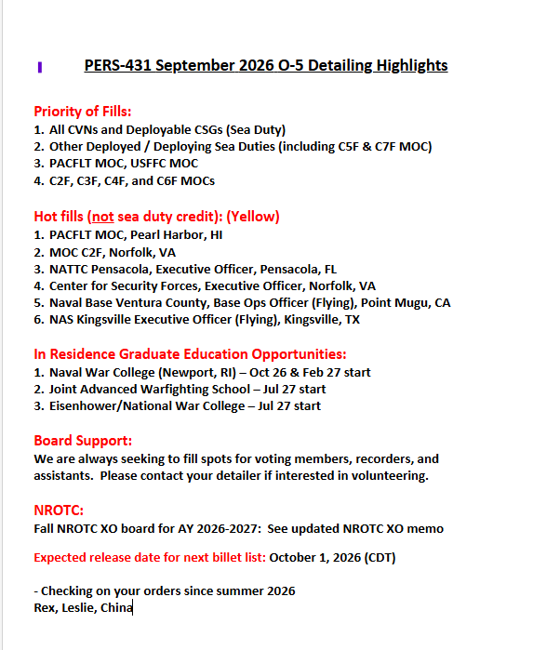

Codes Card
  |  | AQD De-CODER (Updated October 2019)
 |  | AAC | PGRM MGNT CRITICAL
 |  | AAN | PGRM MGNT NON-CRITICAL
 |  | AKC | FINANCIAL MGNT CRITICAL
 |  | ALC | AQCUISITION LOG CRITICAL
 |  | ASC | SYS PLNG RD&E CRITICAL
 |  | ASN | SYS PLNG RD&E NON-CRITICAL
 |  | ATC | TEST & EVAL ENG CRITICAL
 |  | ATN | TEST & EVAL ENG NON-CRITICAL
Warfighting First, Operate Forward, Be Ready |  | AVN | PGRM MGNT OVERSIGHT
 |  | BA1 | ASWNONTOWOP
BILLET QUICK CODES |  | BA3 | KMGR NONTOW
 | = IA/GSA Billet | BI3 | IW TECH
13XX | = Aviation discrete (13XX) billets (fill before 10XX billets) | BN5 | MWQUALOPER
10XX | = General URL (10XX) apportioned to Aviation to fill | CB5 | DPTHDASHRCD
X | = New billet this month | CC5 | XOASHR CDR
J | = Joint-coded billet | DAB | Strike Leader Graduate
DU1 | = Post-command CDR requested | DA0 | ANY ATTACK
 |  | DA7 | F/A 18
SUBSPEC De-CODER |  | DB0 | ANY FIGHTER
2000 | NATIONAL SEC STUDIES GENRL | DB1 | Strike Fighter Tactics Instructor (SFTI)
2101 | MID EAST, AFRICA & S ASIA | DB6 | FTR FA18
2102 | FAR EAST & PACIFIC | DB7 | TOPGUN Fighter Graduate
2400 | STRATEGIC INTELLIGENCE | DD0 | RECON ECM
3000 | RSC MGT AND ANL GENL | DF0 | ANY JET ASW
3111 | FINANCIAL MGNT | DF2 | CARASW S3
3121 | LOG & TRANS MGT LOGISTICS | DG0 | ANY JET
3122 | LOG & TRANS MGT TRANSPORTA | DJ0 | ANY PROPASW
3130 | MANPOWER SYS ANAL MGT | DJ4 | ASW PAT P3/C2
3150 | ED & TRAINING MGT | DL0 | ANY AEW
3211 | OPS RES ANL - ANL & ASSESS | DL3 | CARAEW E2C
3212 | OPS RES ANL - LOGISTICS | DP1 | COMBAT SUPT UTIL C-12
4100 | MATH APPLIED DISCIPLINES | DT0 | ANY PROP
4201 | OPS SCIENCES - CHEMISTRY | DT1 | INSTFEPROP
5300 | ELECT/ELECTRONIC SYS ENG | DU1 | AVIACDRCMD 05
5400 | AERONAUTICAL ENGINEERING | DV0 | ANYASWLAMPS
5401 | AERONAUTICAL ENG AVIONICS | DV4 | ASWLAMSH60B
5402 | AERONAUTICAL ENG AEROSPACE | DV5 | MH-60R
5403 | TEST PILOT | DWA | MH-60S PQM
5500 | SPACE SYSTEMS ENGINEERING | DW0 | ANY SAR/LOG
5700 | COMBAT SYSTEMS | DW8 | SARMCM MH53
6201 | INFO SYS & TECHNOLOGY | DY0 | ANY HELO
6203 | COMP SCIENCE & SYS DESIGN | DY1 | INSTFERW
6204 | C4I | DY2 | RW WTI
6205 | INFORMATION WARFARE | DZA | JFACC GRADUATE
6206 | SPACE SYSTEMS OPERATIONS | DZ3 | ANY VEHICLE
6301 | UNDERSEA WARFARE | FA1 | FAO Q ME AF SA
 |  | FA3 | FAO Q WHEM
 |  | JD1 | JOINT DUTY CREDIT
 |  | JD2 | JSO
 |  | JP3 | OPERATIONAL PLANNER
 |  | JS1 | JPME I + JPME II complete
 |  | JS2 | Full Joint Tour
 |  | JS4 | JQS Level II (pre-req are JS7, min 12x E- or S-JDA points)
 |  | JS5 | JQS Level III (pre-req are JS7, JS8, JS2)
 |  | JS7 | JPME Phase I
 |  | JS8 | JPME Phase II
 |  | LB2 | OOD
 |  | LB3 | CDO Underway
 |  | LF7 | TAO/NTDS
 |  | LN3 | SURF WARFARE CMDR CMD
 |  | VS2 | SPACE CADR2 APPRENTICE
 |  | VS3 | SPACE CADR3 JOURNEYMAN
 |  | VX3 | C4 TECH
 |  | VX4 | C4 QUAL
 |  | 2D1 | Command Eligible

